Sheet1
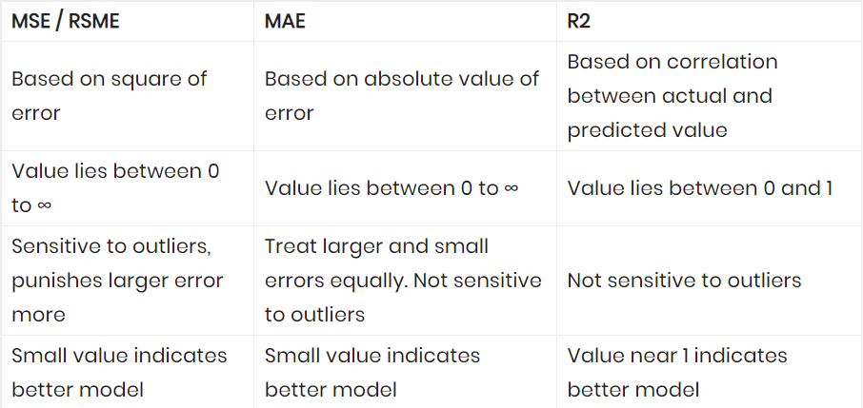
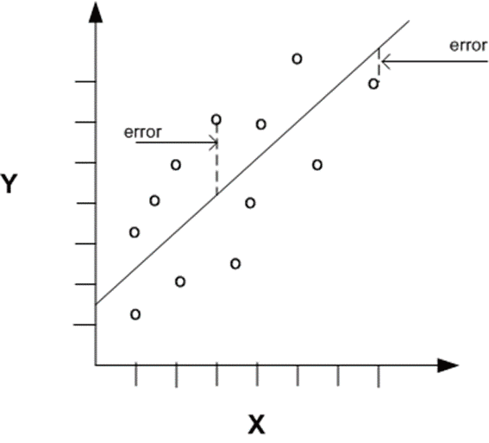
Month | Actual Demand | Forecasted Demand | Error | Absolute Error |  | Squared Error
1 | 42 | 44 | -2 | 2 |  | 4
2 | 45 | 46 | -1 | 1 |  | 1
3 | 49 | 48 | 1 | 1 |  | 1
4 | 55 | 50 | 5 | 5 |  | 25
5 | 57 | 55 | 2 | 2 |  | 4
6 | 60 | 60 | 0 | 0 |  | 0
7 | 62 | 64 | -2 | 2 |  | 4
8 | 58 | 60 | -2 | 2 |  | 4
9 | 54 | 53 | 1 | 1 |  | 1
10 | 50 | 48 | 2 | 2 |  | 4
11 | 44 | 42 | 2 | 2 |  | 4
12 | 40 | 38 | 2 | 2 |  | 4
 |  |  | Mean Absolute Error | 1.8333333333 | Mean squared Error | 4.6666666667

Sheet2
